New Coin Analysis
1st Buy Analysis
Databricks notebook

What do customers do on their first buy? |  |  |  |  |  |  |  |  |  | Days since Launch/ 1st transaction

currency | CountFirstBuys | % of customers |  |  |  |  |  |  |  | base_currency | Min Date | Days Since Launch | Years Since Launch
XBT | 1,958,953 | 69.3% |  |  |  |  |  |  |  | XBT | 2013-04-13 | 4048 | 11.09
XRP | 399,819 | 14.1% |  |  |  |  |  |  |  | BCH | 2017-08-06 | 2472 | 6.77
ETH | 328,221 | 11.6% |  |  |  |  |  |  |  | ETH | 2017-09-30 | 2417 | 6.62
LTC | 59,381 | 2.1% |  |  |  |  |  |  |  | XRP | 2020-02-17 | 1547 | 4.24
BCH | 31,160 | 1.1% |  |  |  |  |  |  |  | LTC | 2020-04-28 | 1476 | 4.04
USDC | 26,443 | 0.9% |  |  |  |  |  |  |  | USDC | 2020-12-14 | 1246 | 3.41
ADA | 7,532 | 0.3% |  |  |  |  |  |  |  | UNI | 2022-02-23 | 810 | 2.22
SOL | 5,346 | 0.2% |  |  |  |  |  |  |  | LINK | 2022-02-23 | 810 | 2.22
USDT | 3,280 | 0.1% | Less than 0.4% of customers choose these as their 1st buy |  |  |  |  |  |  | ADA | 2022-09-07 | 614 | 1.68
UNI | 2,016 | 0.1% |  |  |  |  |  |  |  | SOL | 2022-09-21 | 600 | 1.64
LINK | 1,890 | 0.1% |  |  |  |  |  |  |  | AVAX | 2023-01-13 | 486 | 1.33
MATIC | 1,649 | 0.1% |  |  |  |  |  |  |  | USDT | 2023-07-25 | 293 | 0.80
AVAX | 1,513 | 0.1% |  |  |  |  |  |  |  | MATIC | 2023-09-28 | 228 | 0.62
DOT | 526 | 0.0% |  |  |  |  |  |  |  | DOT | 2023-10-23 | 203 | 0.56
ATOM | 408 | 0.0% |  |  |  |  |  |  |  | ATOM | 2023-12-04 | 161 | 0.44
 | 2,828,137

Is there a different pattern when we look at country?

currency | FR | GB | ID | MY | NG | SG | ZA | Grand Total
XBT | 3,302 | 73,408 | 105,374 | 317,189 | 393,347 | 4,665 | 965,429 | 1,862,714
XRP | 130 | 9,728 | 36,620 | 199,047 | 67,888 | 910 | 80,602 | 394,925
ETH | 393 | 9,789 | 7,571 | 79,072 | 108,952 | 1,310 | 111,537 | 318,624
LTC | 84 | 2,153 | 1,443 | 20,343 | 14,788 | 225 | 18,186 | 57,222
BCH | 30 | 1,464 | 720 | 6,751 | 9,606 | 92 | 11,856 | 30,519
USDC | 90 | 1,673 | 830 | 8 | 7,173 | 327 | 14,973 | 25,074
ADA | 1 | 73 | 44 | 3,547 | 2,226 | 11 | 1,543 | 7,445
SOL | 2 | 66 | 566 | 1,831 | 1,224 | 9 | 1,252 | 4,950
USDT |  |  | 73 |  | 2,192 |  | 1,005 | 3,270
UNI |  | 70 | 11 | 730 | 474 | 5 | 690 | 1,980
LINK | 1 | 79 | 16 | 658 | 454 | 6 | 626 | 1,840
MATIC |  |  | 57 | 799 | 551 |  | 219 | 1,626
AVAX |  | 30 | 6 | 497 | 475 |  | 429 | 1,437
DOT |  |  | 12 |  | 320 |  | 180 | 512
ATOM |  |  | 1 |  | 256 |  | 144 | 401
Grand Total | 4,033 | 98,533 | 153,344 | 630,472 | 609,926 | 7,560 | 1,208,671 | 2,712,539 | *Accounts for 96% of all first buys

currency | FR | GB | ID | MY | NG | SG | ZA | Grand Total
XBT | 81.9% | 74.5% | 68.7% | 50.3% | 64.5% | 61.7% | 79.9% | 68.7%
XRP | 3.2% | 9.9% | 23.9% | 31.6% | 11.1% | 12.0% | 6.7% | 14.6%
ETH | 9.7% | 9.9% | 4.9% | 12.5% | 17.9% | 17.3% | 9.2% | 11.7%
LTC | 2.1% | 2.2% | 0.9% | 3.2% | 2.4% | 3.0% | 1.5% | 2.1%
BCH | 0.7% | 1.5% | 0.5% | 1.1% | 1.6% | 1.2% | 1.0% | 1.1%
USDC | 2.2% | 1.7% | 0.5% | 0.0% | 1.2% | 4.3% | 1.2% | 0.9%
ADA | 0.0% | 0.1% | 0.0% | 0.6% | 0.4% | 0.1% | 0.1% | 0.3%
SOL | 0.0% | 0.1% | 0.4% | 0.3% | 0.2% | 0.1% | 0.1% | 0.2%
USDT | 0.0% | 0.0% | 0.0% | 0.0% | 0.4% | 0.0% | 0.1% | 0.1%
UNI | 0.0% | 0.1% | 0.0% | 0.1% | 0.1% | 0.1% | 0.1% | 0.1%
LINK | 0.0% | 0.1% | 0.0% | 0.1% | 0.1% | 0.1% | 0.1% | 0.1%
MATIC | 0.0% | 0.0% | 0.0% | 0.1% | 0.1% | 0.0% | 0.0% | 0.1%
AVAX | 0.0% | 0.0% | 0.0% | 0.1% | 0.1% | 0.0% | 0.0% | 0.1%
DOT | 0.0% | 0.0% | 0.0% | 0.0% | 0.1% | 0.0% | 0.0% | 0.0%
ATOM | 0.0% | 0.0% | 0.0% | 0.0% | 0.0% | 0.0% | 0.0% | 0.0%
Grand Total | 100.0% | 100.0% | 100.0% | 100.0% | 100.0% | 100.0% | 100.0% | 100.0%

Findings:
Higher proportion of XBT 1st buys in FR than global
Only 50% of first buys in MY are XBT, almost 20% lower than global average
MY has the highest proportion of customers choosing Ripple as their first buy across all regions
NG and SG have the highest proportion of customers that choose ETH as their 1st buy

Are the distributions different by Broker or Exchange?

transaction_name | SUM of CountFirstBuys |  |  | transaction_name | SUM of CountFirstBuys
BuyBTC | 1,870,576 | 70.3% |  | TradeBuy_BTC | 88,377 | 52.3% | Significantly less than Broker
BuyXRP | 347,373 | 13.1% |  | TradeBuy_XRP | 52,446 | 31.1% | Significantly more than Broker
BuyETH | 310,956 | 11.7% |  | TradeBuy_ETH | 17,265 | 10.2%
BuyLTC | 52,979 | 2.0% |  | TradeBuy_LTC | 6,402 | 3.8%
BuyBCH | 29,890 | 1.1% |  | TradeBuy_ADA | 1,320 | 0.8%
BuyUSDC | 26,032 | 1.0% |  | TradeBuy_BCH | 1,270 | 0.8%
BuyADA | 6,212 | 0.2% |  | TradeBuy_SOL | 524 | 0.3%
BuySOL | 4,822 | 0.2% |  | TradeBuy_USDC | 411 | 0.2%
BuyUSDT | 3,217 | 0.1% |  | TradeBuy_UNI | 229 | 0.1%
BuyUNI | 1,787 | 0.1% |  | TradeBuy_LINK | 197 | 0.1%
BuyLINK | 1,693 | 0.1% |  | TradeBuy_MATIC | 162 | 0.1%
BuyMATIC | 1,487 | 0.1% |  | TradeBuy_AVAX | 143 | 0.1%
BuyAVAX | 1,370 | 0.1% |  | TradeBuy_USDT | 63 | 0.0%
BuyDOT | 512 | 0.0% |  | TradeBuy_DOT | 14 | 0.0%
BuyATOM | 402 | 0.0% |  | TradeBuy_ATOM | 6 | 0.0%
Total | 2,659,308 | 100.0% |  | Total | 168,829 | 100.0%

Exchange customers can be seen as more sophisticated traders with more experience and understand the different coins.
This is further substantiated by the fact that only 52% of them choose BTC as their first buy.

How many customers have bought more than one crypto currency?

CurrenciesTraded | Count Users | % Users
2 | 649,975 | 45.3%
3 | 327,939 | 22.8%
4 | 201,079 | 14.0%
5 | 130,696 | 9.1%
6 | 56,491 | 3.9%
7 | 19,283 | 1.3%
8 | 14,038 | 1.0%
9 | 8,744 | 0.6%
10 | 10,266 | 0.7%
11 | 9,258 | 0.6%
12 | 2,655 | 0.2%
13 | 1,313 | 0.1%
14 | 1,939 | 0.1%
15 | 1,726 | 0.1%
 | 1,435,402 | 100.0%

50% of all customers have bought 2 or more crypto currencies in their lifetime |  |  |  |  |  |  |  |  | 50.75%
Of those, 45% have only bought 2 coins, and 23% have bought 3 coins, 14% have bought 4 coins. (Accounting for 83% of these customers)

What are the combinations of buys?

CurrencyList | user_count | % users | Cumm %
["ETH","XBT"] | 353142 | 24.6% | 24.6%
["ETH","XBT","XRP"] | 162134 | 11.3% | 35.9%
["XBT","XRP"] | 124595 | 8.7% | 44.6%
["ETH","LTC","XBT","XRP"] | 86494 | 6.0% | 50.6%
["BCH","ETH","LTC","XBT","XRP"] | 70182 | 4.9% | 55.5%
["ETH","XRP"] | 38538 | 2.7% | 58.2%
["BCH","XBT"] | 31015 | 2.2% | 60.3%
["BCH","ETH","LTC","USDC","XBT","XRP"] | 30051 | 2.1% | 62.4%
["ETH","LTC","XBT"] | 25760 | 1.8% | 64.2%
["BCH","ETH","XBT","XRP"] | 24386 | 1.7% | 65.9%
["ETH","USDC","XBT","XRP"] | 24325 | 1.7% | 67.6%
["LTC","XBT"] | 23728 | 1.7% | 69.3%
["USDC","XBT"] | 23728 | 1.7% | 70.9%
["ETH","USDC","XBT"] | 21582 | 1.5% | 72.4%
["LTC","XBT","XRP"] | 21107 | 1.5% | 73.9%
["BCH","ETH","XBT"] | 20445 | 1.4% | 75.3%
["ETH","LTC","USDC","XBT","XRP"] | 17918 | 1.2% | 76.6%
["LTC","XRP"] | 15834 | 1.1% | 77.7%
["ETH","LTC","XRP"] | 13520 | 0.9% | 78.6%
["USDC","XBT","XRP"] | 9009 | 0.6% | 79.2%
["BCH","XBT","XRP"] | 8470 | 0.6% | 79.8%
["BCH","ETH","USDC","XBT","XRP"] | 7724 | 0.5% | 80.4%
["BCH","ETH","LTC","XBT"] | 6659 | 0.5% | 80.8%
...
Top 4 combos account for 50% of all customers that trade 2 or more currencies

Do we see changes in customer behaviour post coin launch (i.e. do they add more money to the platform, do they sell down existing holdings)?

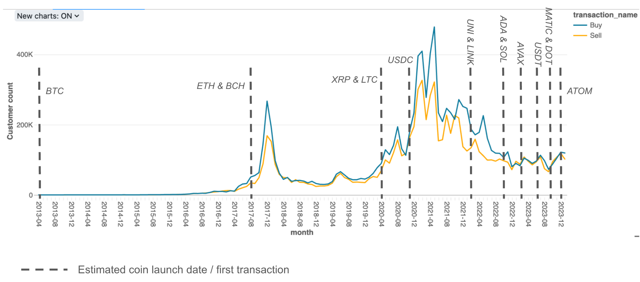
Buy/sell transactions
 |  |  |  |  |  |  |  |  | Deposits count
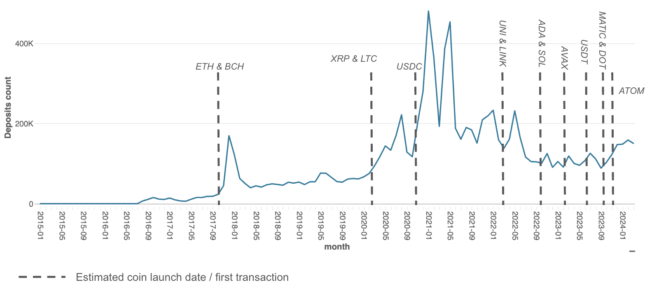

The view above shows number of customers who buy or sell crypto over time and the dotted lines mark the estimated coin launch dates/a coin's first ever transaction. There seems to be a peak in buying activity around or after the time of a new coin launch which suggests that new coin launches may stimulate customers to add the newly available coins to their wallets. Sell transactions also seem to spike around the time of new coin launches, but not as consistently as buy transactions, and after some coin launches sell transactions seem to spike just before a spike in buy transactions which could indicate that some customers are selling existing holdings, possibly to free up funds for purchasing new coins. |  |  |  |  |  |  |  | The other view above shows the number of deposits made by customers and the dotted lines mark the estimated coin launch dates/a coin's first ever transaction. There seems to be an increase in deposits made by customers around or after the time of a new coin launch, which suggests that new coin launches may stimulate customers to add more money to their wallets to be able to buy new coins.

How many customers bought a new coin after a long period of inactivity? - Looking at a year between last transaction of any kind and purchase of new coin
NB: New coin being those that were launched/ had a first transaction being on or after the start of 2022
 |  |  |  |  |  | By Locale
currency | customer_count | % |  |  | FR | GB | ID | MY | NG | SG | ZA | Grand Total
ADA | 33225 | 21.07% |  | ADA | 14.49% | 20.75% | 23.92% | 27.51% | 17.92% | 37.50% | 19.72% | 21.07%
SOL | 28093 | 17.81% |  | SOL | 15.94% | 19.23% | 18.41% | 20.26% | 15.97% | 25.00% | 17.57% | 17.81%
LINK | 25708 | 16.30% |  | LINK | 18.84% | 26.69% | 13.58% | 15.93% | 14.29% | 16.67% | 17.26% | 16.30%
UNI | 25225 | 16.00% |  | UNI | 27.54% | 22.82% | 16.40% | 15.27% | 14.50% | 20.83% | 16.84% | 16.00%
AVAX | 14186 | 9.00% |  | AVAX | 10.14% | 8.99% | 7.39% | 10.67% | 7.87% | 0.00% | 8.82% | 9.00%
MATIC | 10455 | 6.63% |  | MATIC | 4.35% | 0.14% | 6.32% | 10.35% | 6.78% | 0.00% | 5.12% | 6.63%
USDT | 8911 | 5.65% |  | USDT | 0.00% | 0.55% | 5.78% | 0.00% | 10.89% | 0.00% | 5.79% | 5.65%
DOT | 5904 | 3.74% |  | DOT | 4.35% | 0.28% | 4.44% | 0.00% | 5.37% | 0.00% | 4.60% | 3.74%
ATOM | 3436 | 2.18% |  | ATOM | 2.90% | 0.14% | 2.15% | 0.00% | 3.07% | 0.00% | 2.71% | 2.18%
CRV | 1159 | 0.73% |  | CRV | 1.45% | 0.14% | 0.94% | 0.00% | 1.58% | 0.00% | 0.68% | 0.73%
AAVE | 714 | 0.45% |  | AAVE | 0.00% | 0.14% | 0.34% | 0.00% | 0.91% | 0.00% | 0.45% | 0.45%
MKR | 683 | 0.43% |  | MKR | 0.00% | 0.14% | 0.34% | 0.00% | 0.85% | 0.00% | 0.44% | 0.43%
 | 157699

ADA is the most preferred cryptocurrency among customers resuming activity after a long period of inactivity, with 21% of customers buying this coin as thier first transaction after being inactive, followed by other popular choices like SOL, LINK and UNI.

Higher proportion of 1st buys after inactivity for ADA in SG (37%) and MY (27%). FR (27%) and GB (22%) also shows significant proportion of UNI purchases, while LINK is most popular in GB as customers 1st purchases after long time of inactivity. Also significant proportion for SOL in MY and SG.

Of total revenue earned on each coin on a monthly basis, what percentage is as a result of 1st buys (i.e. new customers)?

% of first buys revenue |  |  |  |  |  |  | Total monthly revenue and revenue from first buys
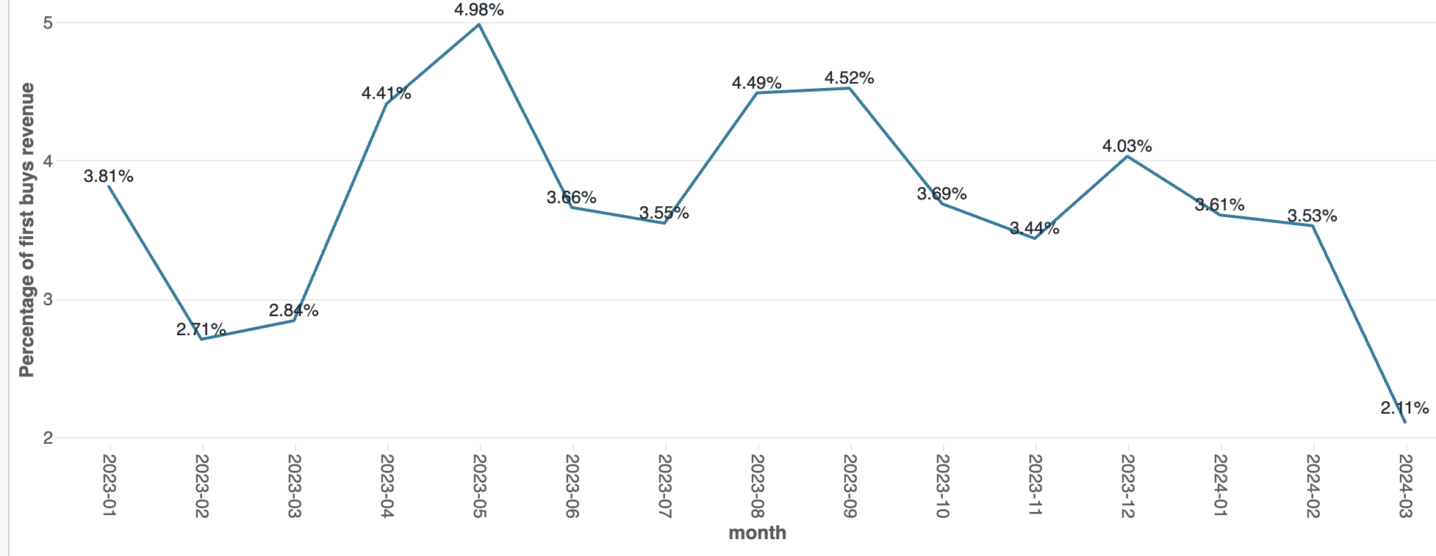
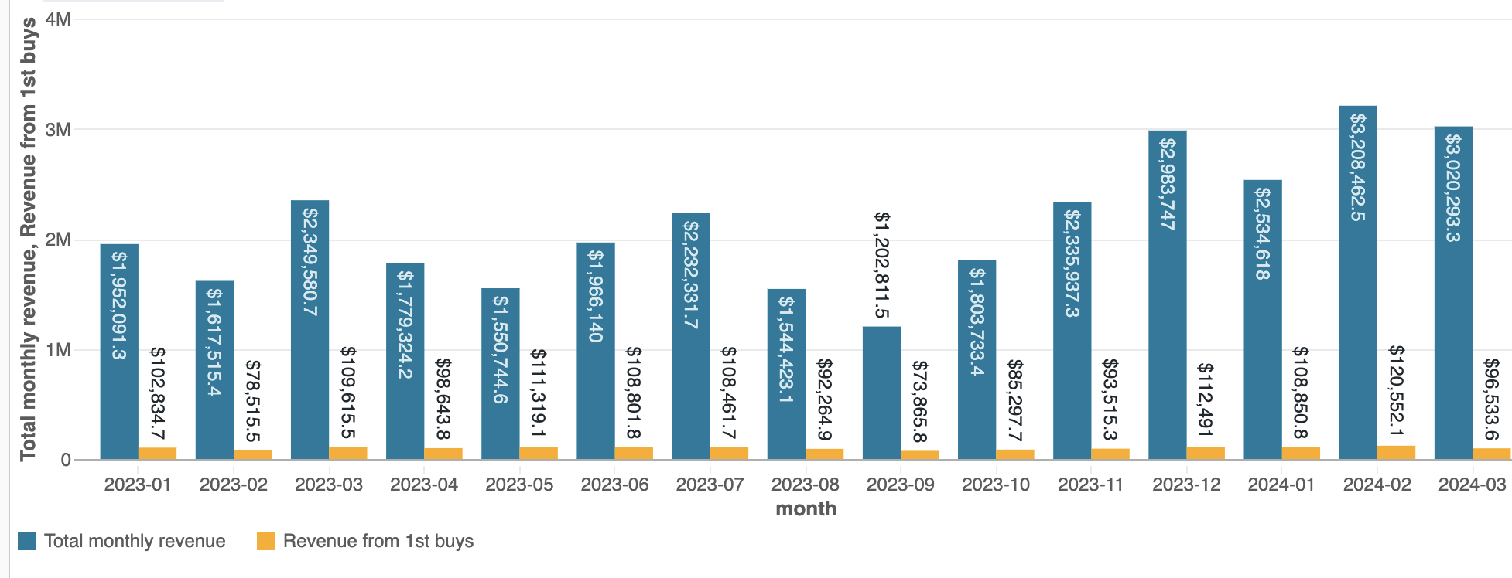

Percentage of 1st buys Revenue
The following table shows the percentage of revenue attributed to 1st buys for a particular coin's revenue for a given month.

AVERAGES | 2.71% | 2.76% | 1.14% | 3.91% | 3.02% | 2.63% | 1.46% | 2.74% | 5.46% | 1.74% | 3.86% | 2.38% | 2.78% | 2.30% | 1.47% | 4.65% | 4.61% | 6.07% | 1.25% | 3.20%

In the last 12 months (Jan2023-Feb2024), the percentage of revenue from first-buys seems to hover around the 3-4% range.

XBT has the highest average percentage of total monthly revenue from first buys, with an average of 6.07%, followed by ETH and USDC with an average of 5.46% and 4.65%, respectively.

Of total revenue earned on each coin on a monthly basis, what percentage comes from reactivated customers?
Reactivated customers - customers who were not active (no buy, sell, send, receive etc.) last month, but are active this month.

% of revenue from reactivated customers
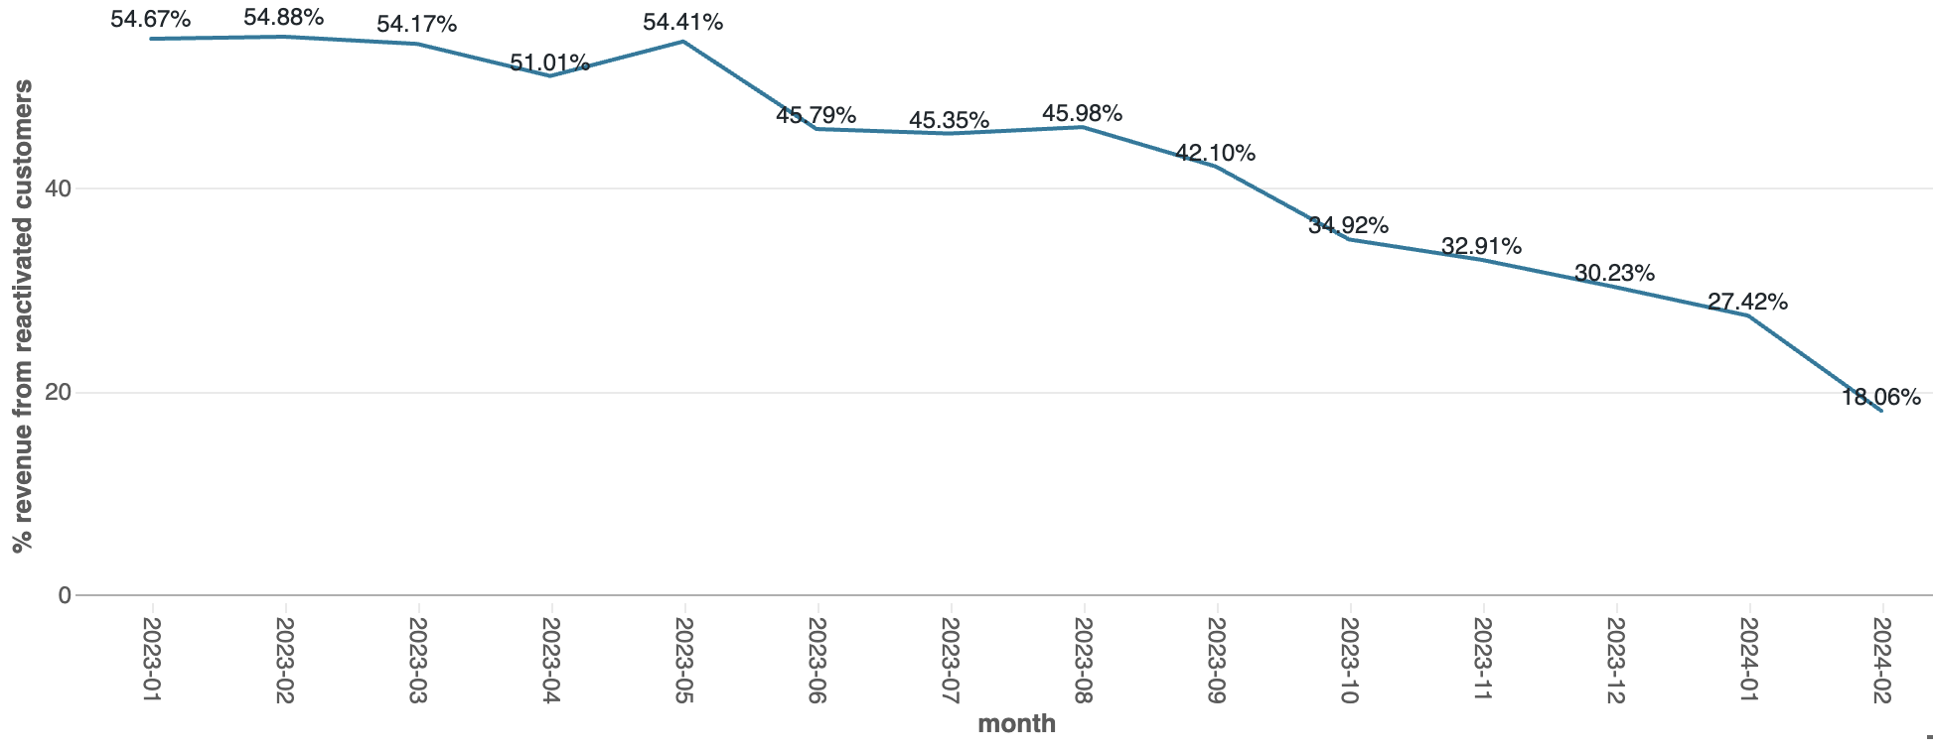
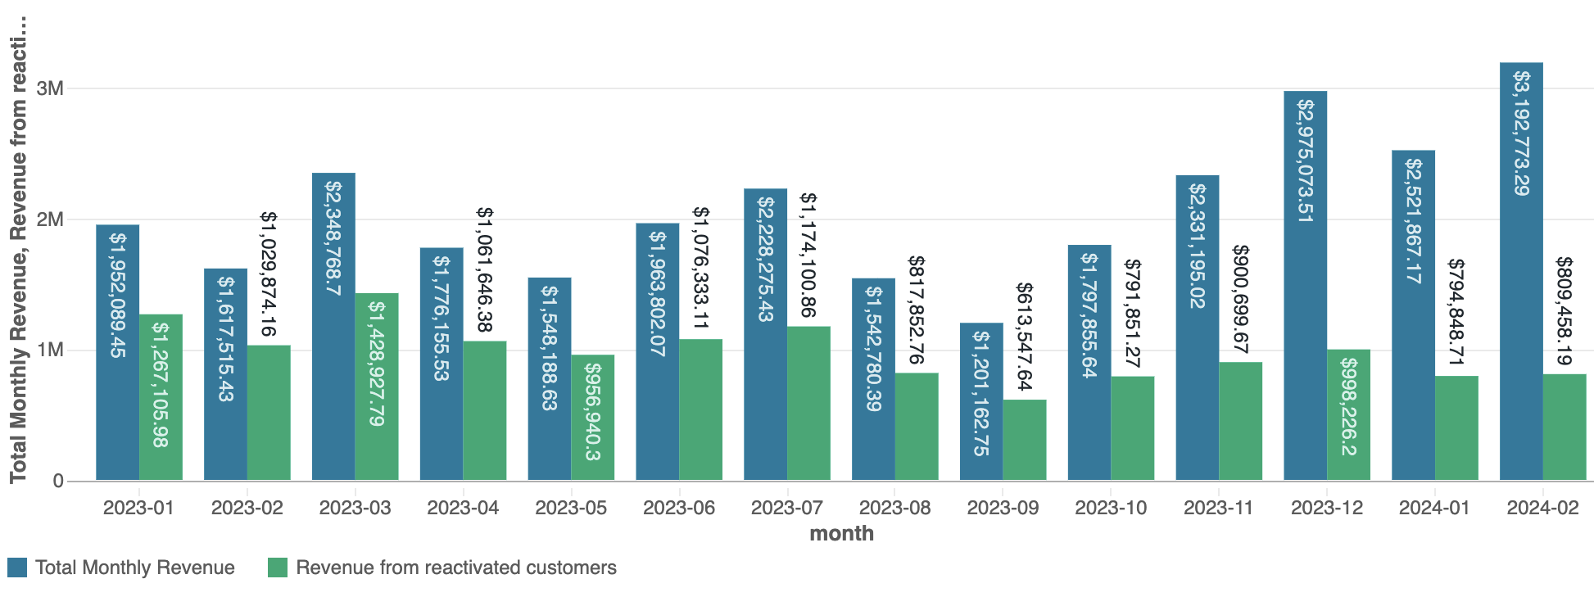

Percentage of Revenue from reactivated customers
The following table shows the percentage of revenue attributed to reactivated customers for a particular coin's revenue for a given month.

AVERAGES | 6.28% | 31.88% | 0.00% | 13.67% | 26.58% | 38.46% | 4.39% | 21.27% | 49.69% | 30.51% | 43.43% | 12.96% | 3.96% | 29.93% | 31.39% | 53.29% | 38.68% | 50.64% | 0.00% | 41.73%

In the last 12 months (Jan2023-Feb2024), there has been an average of 44% of total revenue from reactivated customers.

USDC and XBT have the highest average percentage of total monthly revenue generated from reactivated customers, with an average of 53.29% and 50.64% respectively. These coins are followed by ETH and LTC with an average percentage revenue of 49.69% and 43.43%, respectively.

